BR_01
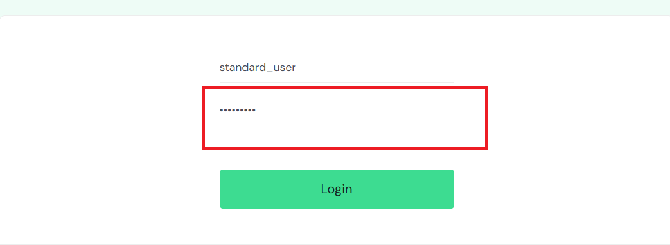
ID | B_01
Summary | Password visibility toggle disappear when user clicks out of the password field
Description | When user input its password, it can click on password visibility toggle but when user click out of the password field it cannot click again on password visibility toggle because that function disappeared. The user should have the ability to view their password at any time, but the issue arises when the focus moves away from the password field. This is a functional bug.
Steps to reproduce | Expected result | Actual result | Priority
1. Open the browser |  |  | LOW
2. Go to url https://www.saucedemo.com/v1/index.html
3. Input valid username in "Username" field
4. Input valid password in "Password" field
5. Click on password visibility toggle in "Password" field | Content of password is visible, the user can show and hide the password multiple times | When user input password and click out of password field it cannot click on password visibility toggle
Screenshot

BR_03
ID | B_03
Summary | The user can order products with invalid first name
Description | When the user adds a product to the cart and clicks the checkout button to start the ordering process, they are redirected to a page where they enter their details: first name, last name, and postal code. To proceed with the ordering process, all fields must be filled in with valid data. However, the user is able to continue the ordering process even when the first name is filled in with invalid data. This is a functional bug.
Steps to reproduce | Expected result | Actual result | Priority
1. Click on "Checkout" button |  |  | HIGH
2. Input invalid first name in "First name" field
3. Input valid last name in "Last name" field
4. Input valid Zip code in "Zip/Postal code" field
5. Click on "Countinue" button | The user cannot continue order and error message appears "Incorrect first name format. Only letters can be used for the first name." | The user can continue order with an invalid first name.
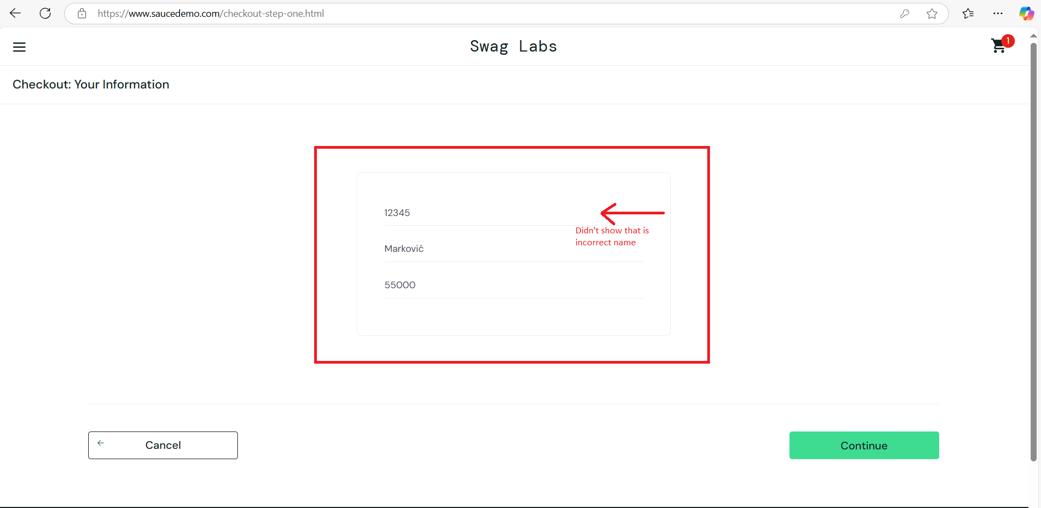
Screenshot

BR_04
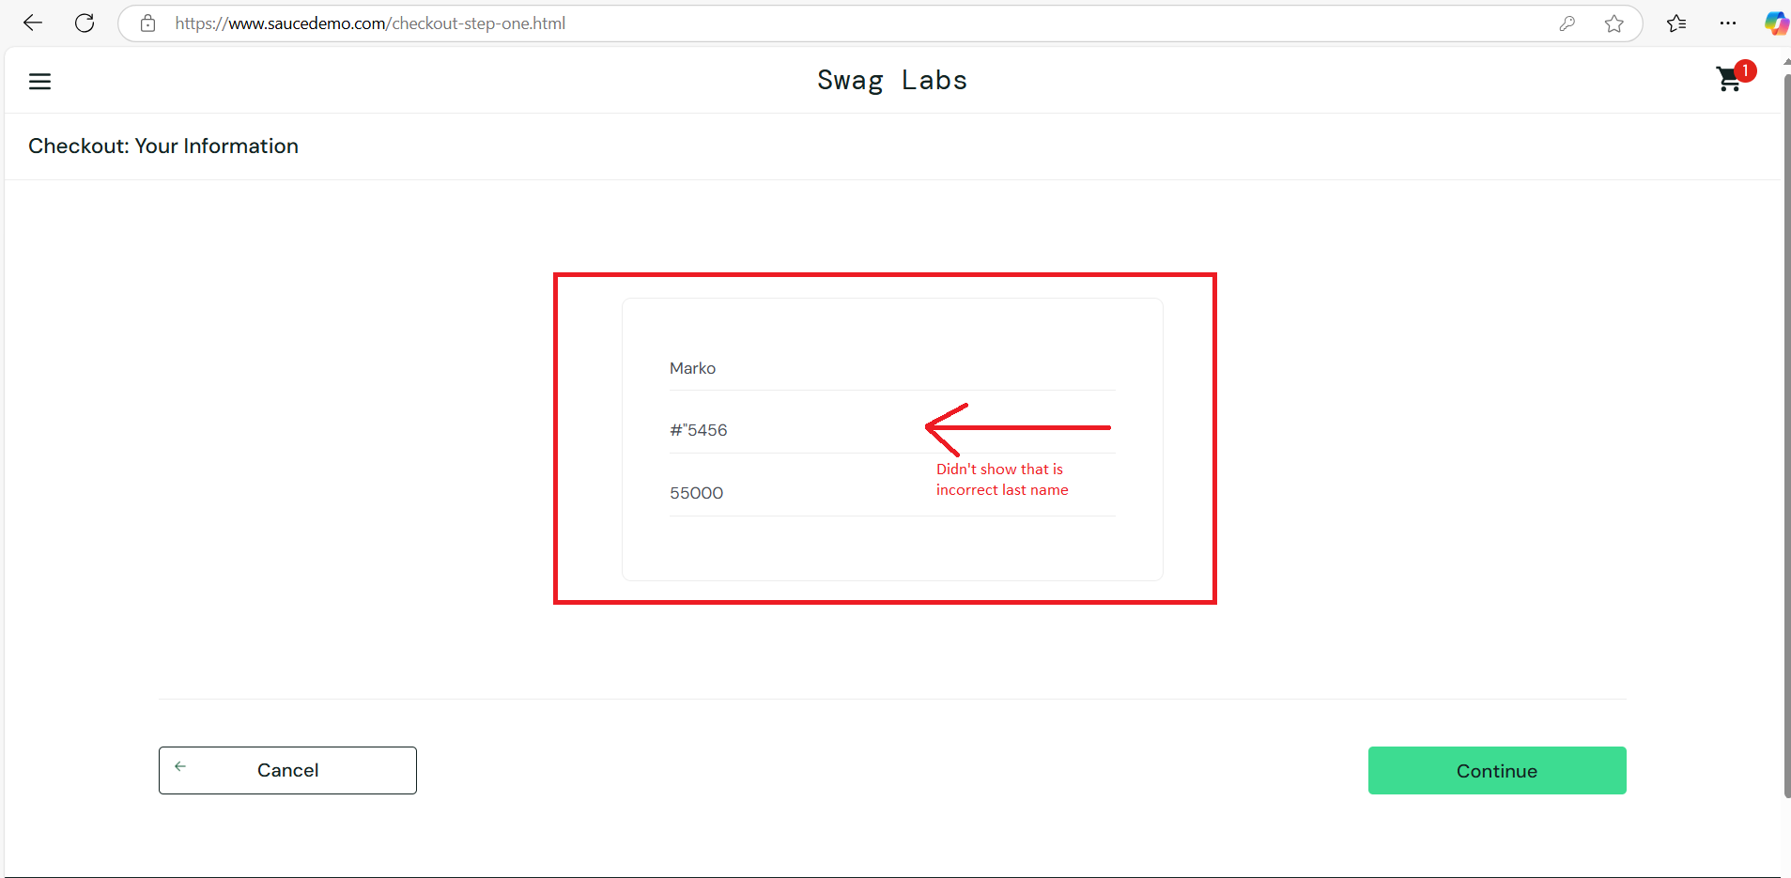
ID | B_04
Summary | The user can order products with invalid last name
Description | When the user adds a product to the cart and clicks the checkout button to start the ordering process, they are redirected to a page where they enter their details: first name, last name, and postal code. To proceed with the ordering process, all fields must be filled in with valid data. However, the user is able to continue the ordering process even when the last name is filled in with invalid data. This is a functional bug.
Steps to reproduce | Expected result | Actual result | Priority
1. Click on "Checkout" button |  |  | HIGH
2. Input valid first name in "First name" field
3. Input invalid last name in "Last name" field
4. Input valid Zip code in "Zip/Postal code" field
5. Click on "Countinue" button | The user cannot continue order and error message appears "Incorrect last name format. Only letters can be used for the last name." | The user can continue order with an invalid last name.
Screenshot

BR_05
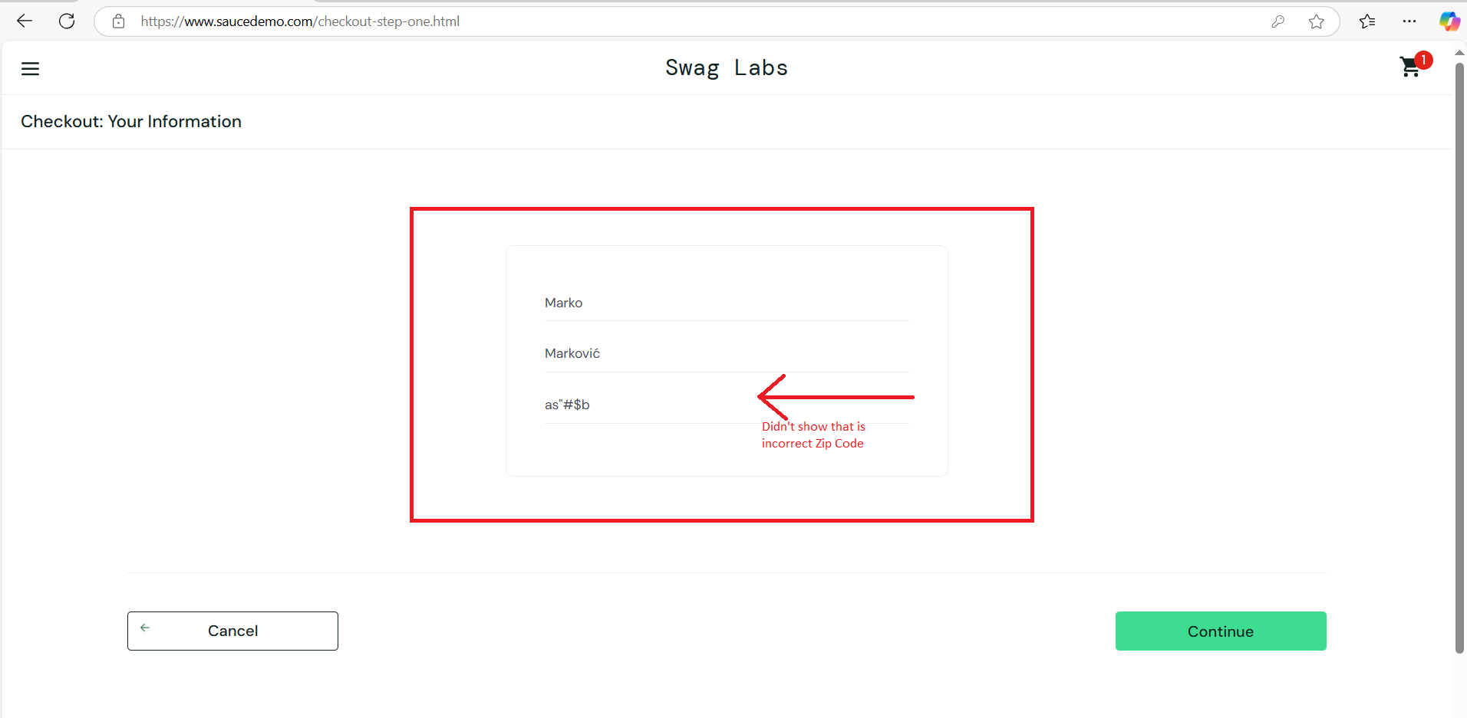
ID | B_05
Summary | The user can order products with invalid zip code
Description | When the user adds a product to the cart and clicks the checkout button to start the ordering process, they are redirected to a page where they enter their details: first name, last name, and postal code. To proceed with the ordering process, all fields must be filled in with valid data. However, the user is able to continue the ordering process even when the zip code is filled in with invalid data. This is a functional bug.
Steps to reproduce | Expected result | Actual result | Priority
1. Click on "Checkout" button |  |  | HIGH
2. Input valid first name in "First name" field
3. Input valid last name in "Last name" field
4. Input invalid zip code in "Zip/Postal code" field
5. Click on "Countinue" button | The user cannot continue order and error message appears "Incorrect zip code format. Only nubers can be used for the zip code." | The user can continue order with an invalid zip code.
Screenshot

BR_06
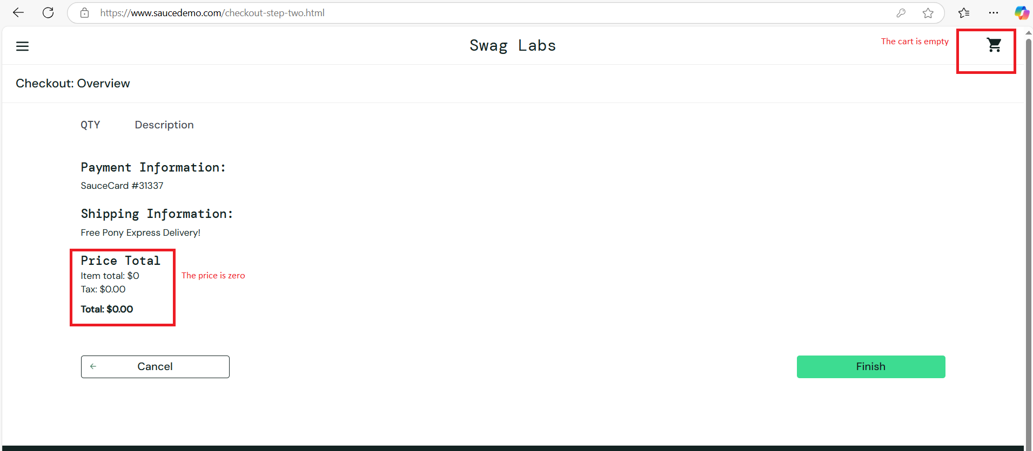
ID | B_06
Summary | The user can proceed order with empty cart
Description | When a user logs into the site and goes to the cart without adding any items, clicking the "Checkout" button allows them to proceed with the purchase without any items. The user should not be able to start the ordering process with an empty cart, as the order request is sent to the site owner, which could result in being flooded with invalid requests. This is a functional bug.
Steps to reproduce | Expected result | Actual result | Priority
1. The user already logged in and is located on homepage page |  |  | MEDIUM
2. Click on "Cart" icon
3. Click on "Checkout" button | The user cannot proceed order with empty cart and error message appears "The cart is empty". | The user can proceed order with empty cart.
Screenshot

BR_07
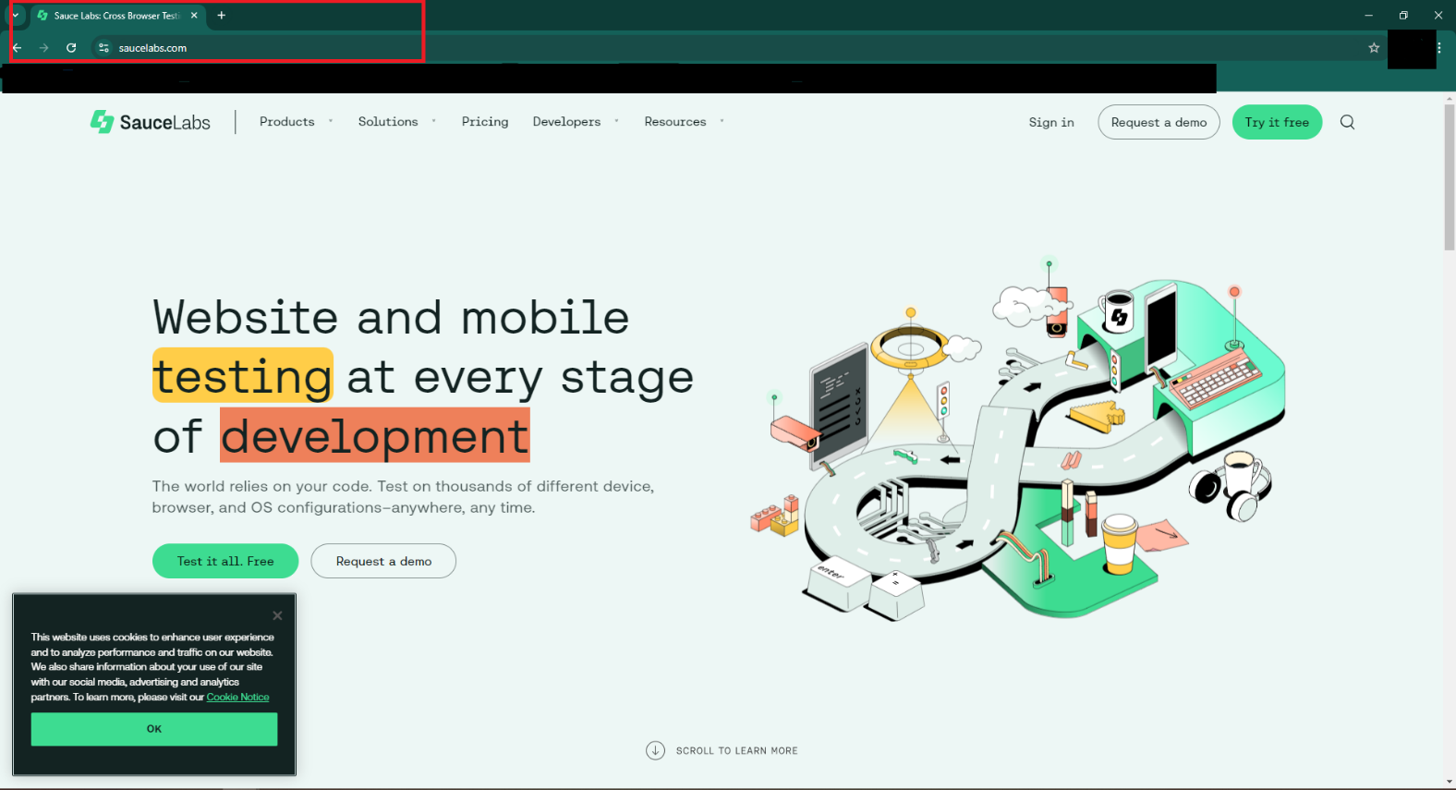
ID | B_07
Summary | The "about" page is not open in the new tab.
Description | When the user clicks the about button, they should be redirected to the about page, which should open in a new tab. The user is successfully redirected to the about page, but the page opens in the same tab the user is currently on, which can be confusing as they are taken to a different site in the same tab. The issue lies in the code, where the attributes are missing the specification to open the link in a new tab. This is a functional bug.
Steps to reproduce | Expected result | Actual result | Priority
1. Click on "Hamburger" button |  |  | LOW
2. Click on "About" button | The user is successfully redirected to the "about" page and the "about" page is opened in a new tab. | The user is successfully redirected to the "about" page, but the "about" page is not opened in a new tab.
Screenshot

BR_08
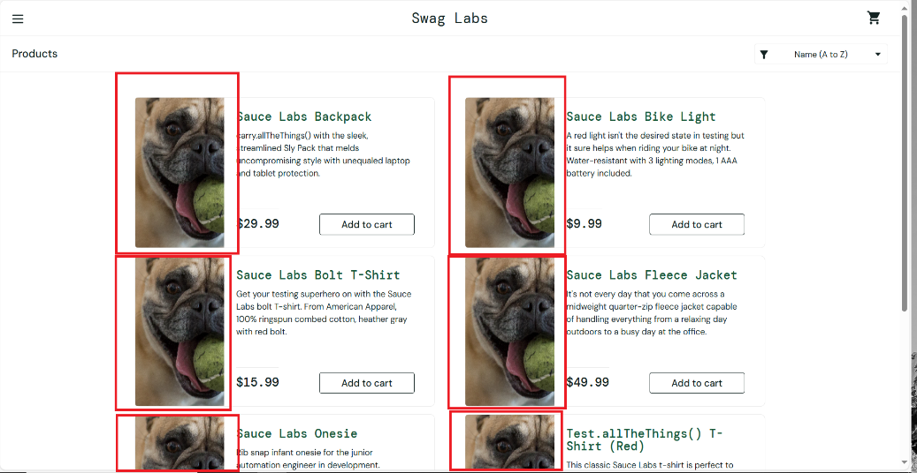
ID | B_08
Summary | The images on the homepage do not match the products when the certain user logs in.
Description | When the user logs in, they are redirected to the homepage, which displays products for purchase. All products on the homepage have the same image, which does not correspond to the product name. Each product should have an image that matches its name. This is a visual bug.
Steps to reproduce | Expected result | Actual result | Priority
1. Open the browser |  |  | MEDIUM
2. Go to url https://www.saucedemo.com/v1/index.html
3. Input valid username in "Username" field | problem_user
4. Input valid password in "Password" field | secret_sauce
5. Click on login button | User is successfully login and redirected to "products" page (https://www.saucedemo.com/v1/inventory.html) Products are visible with their picture, name and price. | Pictures for all products are same and does not correspond to the product name.
Screenshot

BR_09
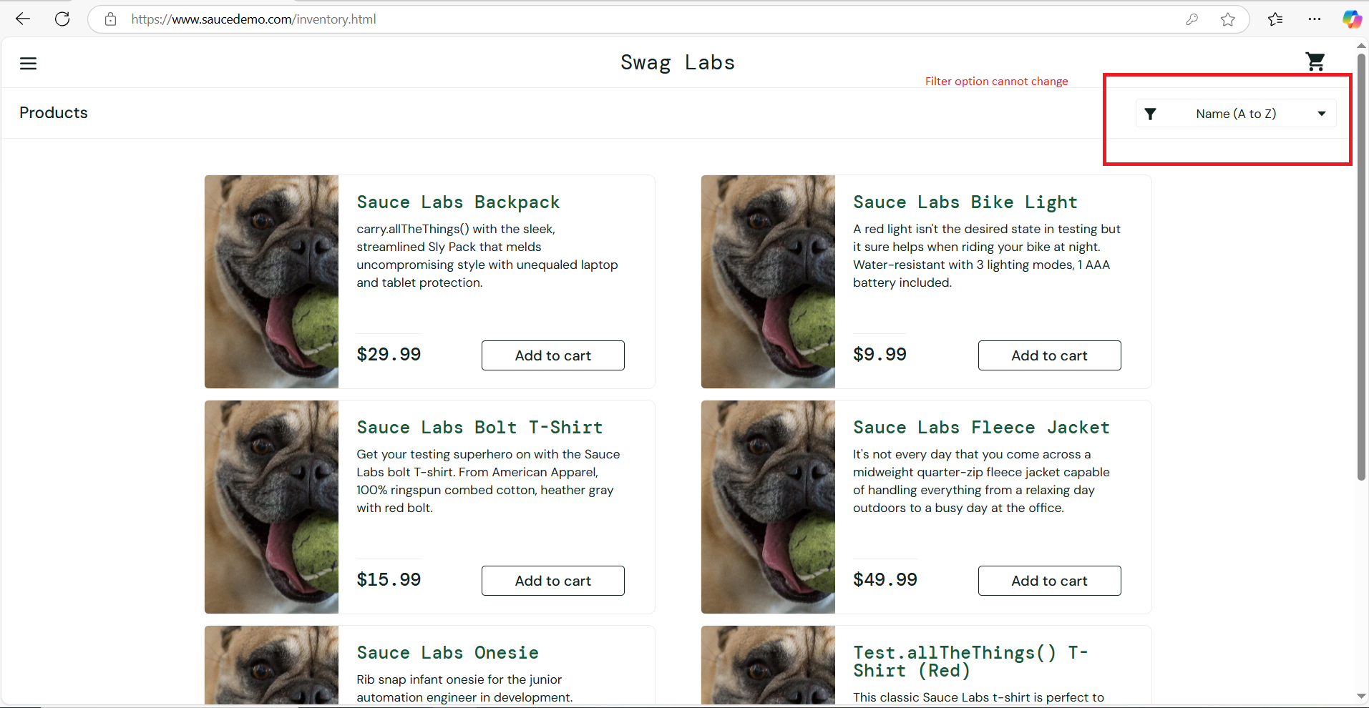
ID | B_09
Summary | The sort products dropdown list doesn't work when certain user is logged in.
Description | When the "problem user" successfully logs in and is redirected to the products page, there is an option to sort by name and price. This option does not work when the user attempts to sort. When clicking on the dropdown menu for sorting, a list of sorting options appears, but none of the functions are clickable, and the user is unable to sort the products. This is a functional bug.
Steps to reproduce | Expected result | Actual result | Priority
1. Click on the sort product dropdown list |  |  | MEDIUM
2. Select sort "Name (A to Z)" | Products are sorted by name from A to Z. | Products aren't sorted and sort option aren't clickable.
3. Select sort "Name (Z to A)" | Products are sorted by name from Z to A. | Products aren't sorted and sort option aren't clickable.
4. Select sort "Price (Low to High)" | Products are sorted by price from low to high. | Products aren't sorted and sort option aren't clickable.
5. Select sort "Price (High to Low)" | Products are sorted by price from high to low. | Products aren't sorted and sort option aren't clickable.
Screenshot

BR_10
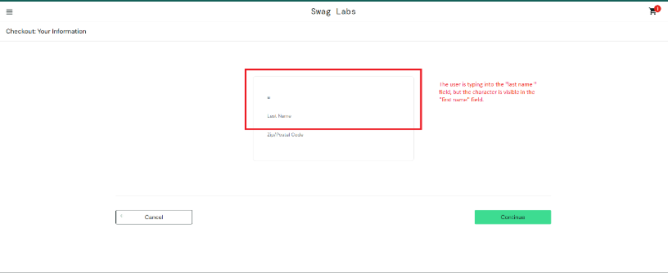
ID | B_10
Summary | The sort products dropdown list doesn't work when certain user is logged in.
Description | When the "problem user" adds an item to the cart, clicks the "checkout" button to initiate the ordering process, and begins entering the required information, the characters entered in the "last name" field are not input into the last name field but are instead entered into the first name field, character by character. This is a functional bug.
Steps to reproduce | Expected result | Actual result | Priority
1. Click on "Checkout" button |  |  | HIGH
2. Input valid first name in "First name" field
3. Input valid last name in "Last name" field | Placeholder is successfully moved and entered value is visible. | The user cannor input last name.
Screenshot

BR_11
ID | B_11
Summary | The "about" page is not open in the new tab and the error message "404 Not Found" is displayed.
Description | When the "problem user" clicks the about button, they should be redirected to the about page, which should open in a new tab. The page is not opened, the error message "404 Not Found" is displayed and the page opened in the same tab the user is currently on, which can be confusing as they are taken to a different site in the same tab. The issue lies in the code, where the attributes are missing the specification to open the link in a new tab. This is a functional bug.
Steps to reproduce | Expected result | Actual result | Priority
1. Click on "Hamburger" button |  |  | LOW
2. Click on "About" button | The user is successfully redirected to the "about" page and the "about" page is opened in a new tab. | The "about" page is not found and is not opened in a new tab.
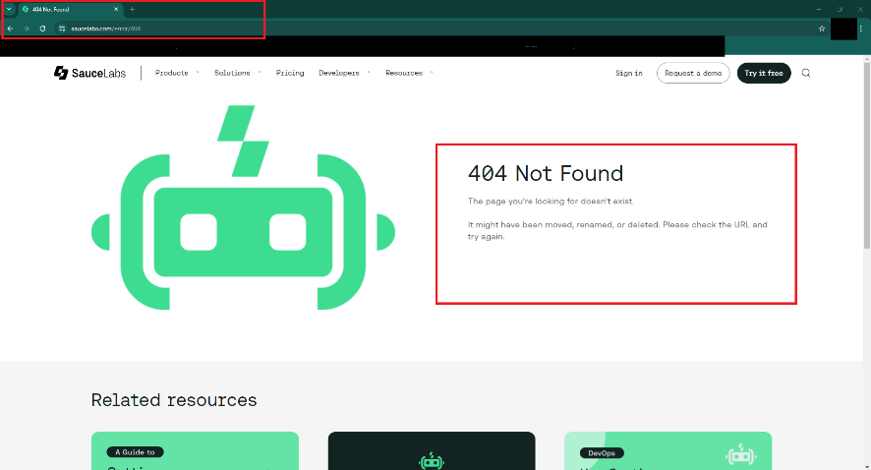
Screenshot

BR_12
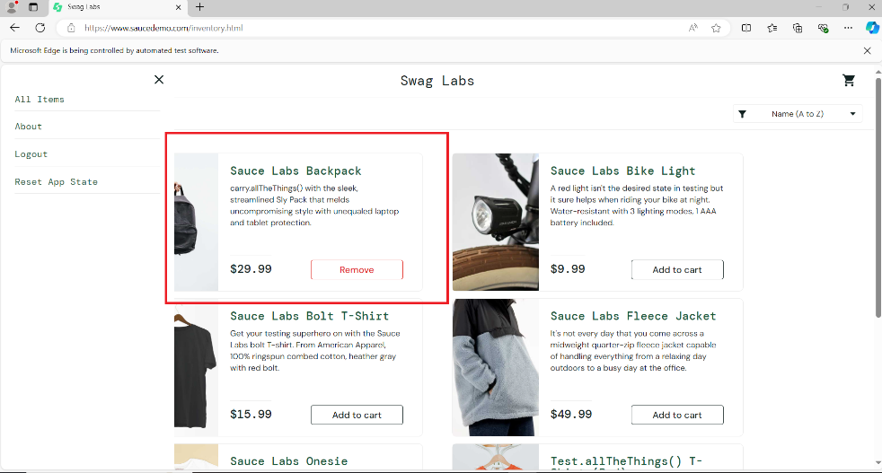
ID | B_12
Summary | "Reset App State" doesn't work.
Description | When the user logs in and adds a product to the cart, after clicking the "Reset App State" button, the page should refresh and revert to its initial settings before the product was added. The cart should be empty, and the previously added product should have an "Add to Cart" button instead of a "Remove" button. The page refreshes, and the cart is empty, but the previously added product still has a "Remove" button. After clicking on it, the product gets the "Add to Cart" button.
Steps to reproduce | Expected result | Actual result | Priority
1. Click on "Add to cart" button |  |  | LOW
2. Click on "Cart" icon
3. Click on "Hamburger" button
4. Click on "Reset App State" button | The page has refreshed and reverted to its initial settings, the cart is empty, and no products have been added. | The cart is empty, but there is a "Remove" button on the products that were added before pressing the "Reset App State" button.
Screenshot

